Sheet1
 |  | Document No. | Issue No. | Issue Date |  | Review and Replace Date |  | Authorised By
 |  | GFF193MC | 1 | 11.09.2020 |  | New Issue
 |  | Document Title | Chicken Chowmein 350g
 |  |  |  |  |  |  |  | Magda Shah
Document amendments reason for change |  | New Document | Page 1 of 1 |  | Previous Issue Date |  | New Issue | Uncontrolled copy unless signed original

CCHW2-R4TEB | BOOTHS |  | Chicken Chowmein 350g
STEP 1 |  |  |  |  | STEP 2
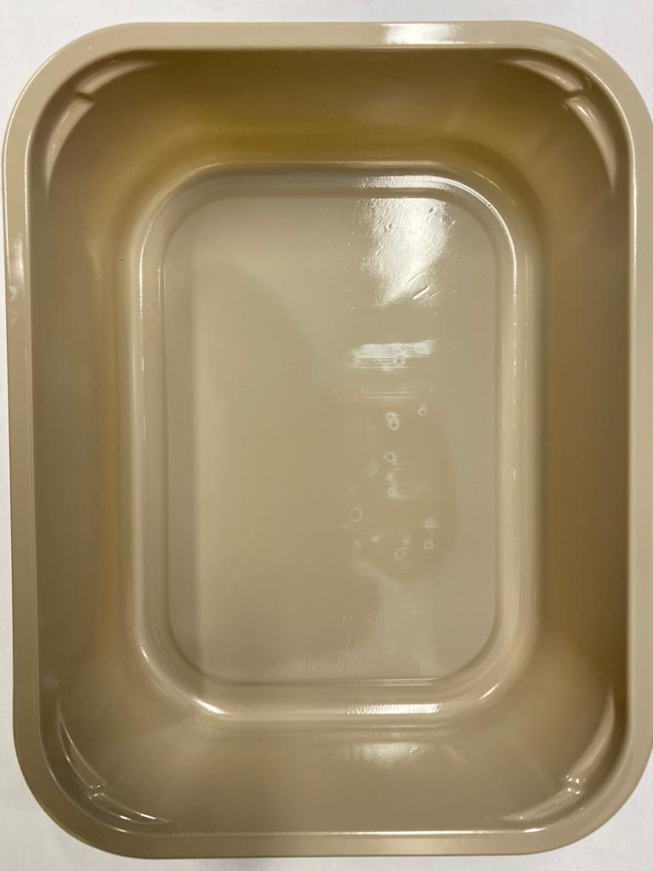 |  |  |  |  | 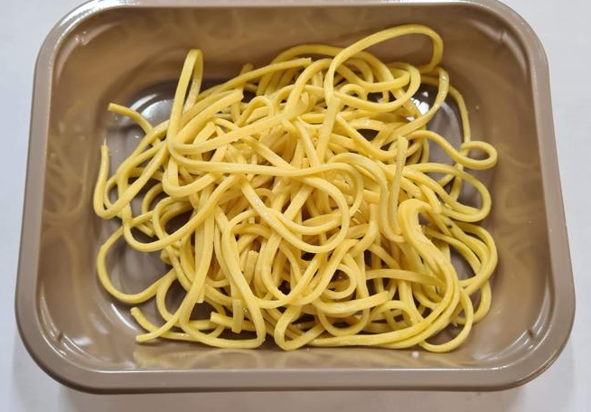

Tray: EVOLVE CPET 2200-1D (PKRHP001-09) |  |  |  |  | Cooked Noodles (GFF177R): 100g
Line 1: Mylar 250LAF 250mm x 1000 (PKWRA001-08)
Line 1: K-Peel 75G + AF 25 250mm (PKKMP001-01)
Line 2: Mylar 25OLAF - 380mm wide (PKWRA001-02)
STEP 3 |  |  | STEP 4 |  |  |  | STEP 5
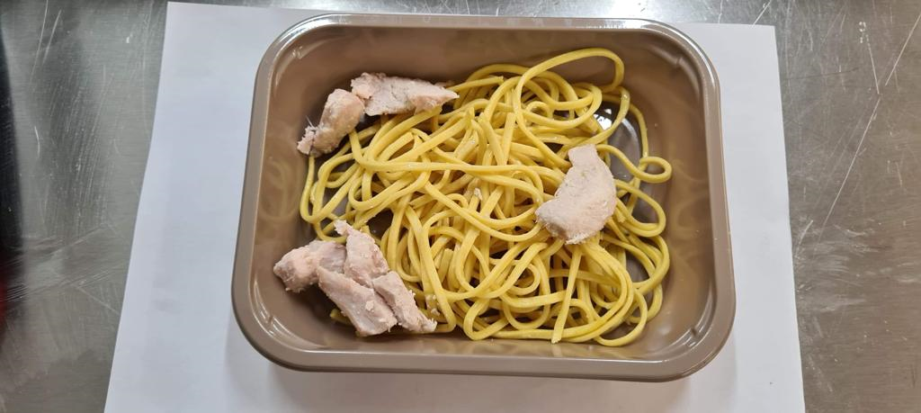 |  |  | 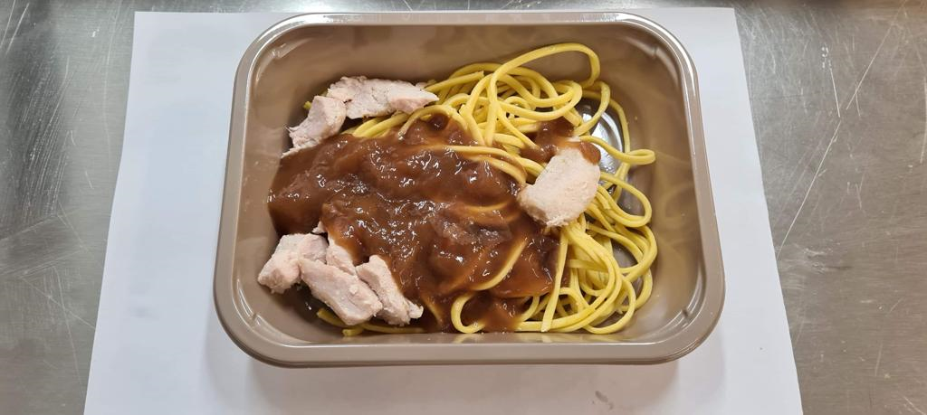

British sliced chicken breast - 9cm x 1.5cm long (GFF161R): 65g |  |  | Chowmein Sauce (GFF149R): 90g |  |  |  | Stir Fried Vegetables (GFF156R): 95g
 |  |  |  |  |  |  | TOTAL WEIGHT: 350g
ALLERGEN ALERT: BARLEY, EGG, MOLLUSC, SESAME, SOYA, WHEAT

